모델
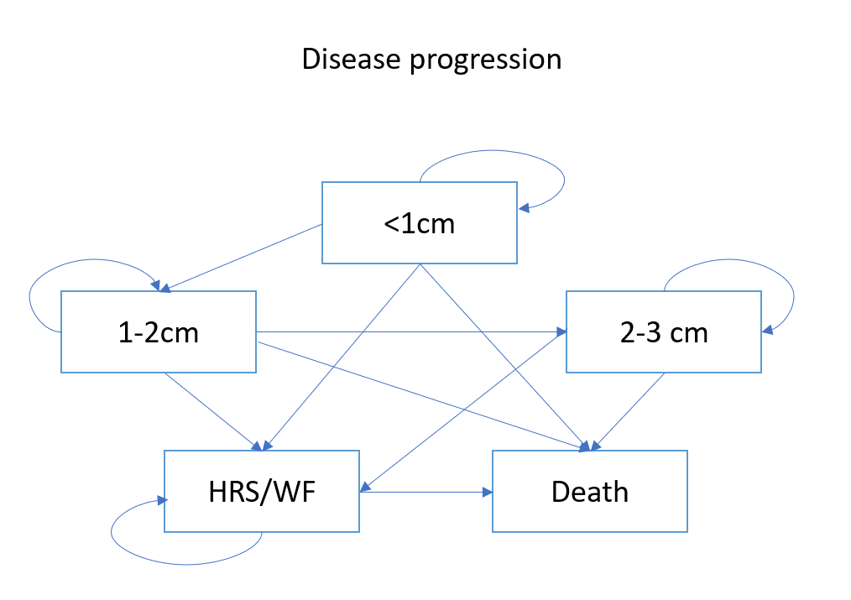
 |  |  |  |  |  |  |  |  |  | 각 cyst size 별 WF 로 발전할 확률 및 WF 발전 시 수술을 진행할 확률
** Same tree structures for different cyst sizes
 |  |  |  |  |  |  |  |  |  | Transition probabilities for surveillance + WF nodes |  |  | Transition probabilities for surveillance + WF nodes |  | Transition probabilities for surveillance + WF nodes

Decision tree 1 |  |  |  |  |  |  |  |  |  | 1) <1cm -> WF |  | (probability of developing WF from cyst size <1cm) | 1) 1-2cm -> WF | (probability of developing WF from cyst size <1cm) | 1) 2-3cm -> WF | (probability of developing WF from cyst size <1cm)
 |  |  |  |  |  |  |  |  |  | 2) <1cm WF -> surgery |  | (probability of having surgery among patients with csyt size <1cm) | 2) 1-2cm WF -> surgery | (probability of having surgery among patients with csyt size <1cm) | 2) 2-3cm WF -> surgery | (probability of having surgery among patients with csyt size <1cm)
 |  |  |  |  |  |  |  |  |  | 3) <1cm WF -> surveillance -> growth to cyst size 1-2cm |  | (probability of cyst size growing to 1-2cm during surveillance + surgery) | 3) 1-2cm WF -> surveillance -> growth to cyst size 1-2cm | (probability of cyst size growing to 1-2cm during surveillance + surgery) | 3) 2-3cm WF -> surveillance -> growth to cyst size 1-2cm | (probability of cyst size growing to 1-2cm during surveillance + surgery)
 |  |  |  | Surgery |  |  |  |  |  | 4) <1cm WF -> surveillance -> keep surveillance and death |  | (probability of cyst size growing to 1-2cm but no surgery until death) | 4) 1-2cm WF -> surveillance -> keep surveillance and death | (probability of cyst size growing to 1-2cm but no surgery until death) | 4) 2-3cm WF -> surveillance -> keep surveillance and death | (probability of cyst size growing to 1-2cm but no surgery until death)
 |  |  |  |  | Surgery Markov
 |  |  | TP2

 |  | WF

 | rate1 |  |  |  |  | rapid growth | TP5
 |  |  |  |  | TP3 |  |  |  | 1
 |  |  | 1-TP2 | Surveillance
<1cm |  |  |  |  |  |  |  | surgery

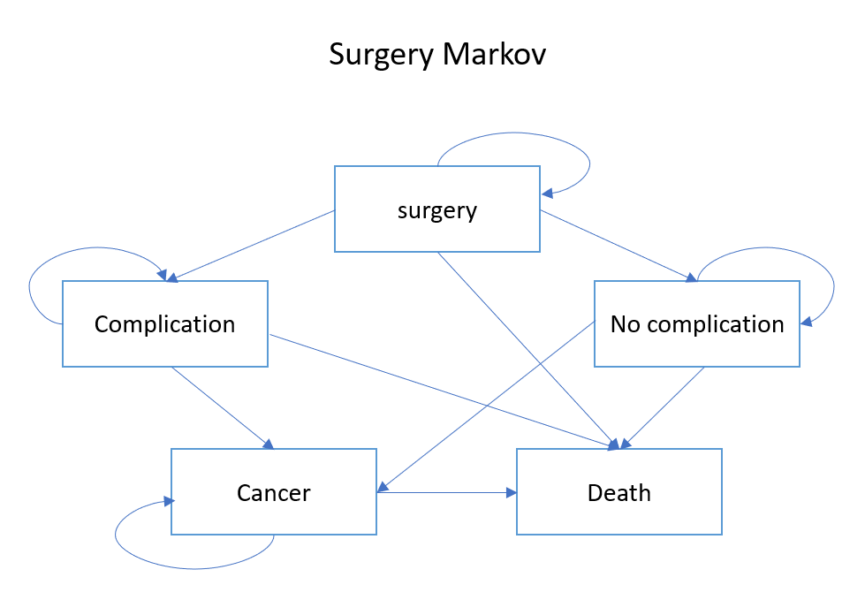
 |  |  |  |  | 1-TP4 | stay | 1-TP5
 |  |  |  |  |  |  |  |  | 1
 | rate2 |  |  |  |  |  |  |  |  | Transition probabilities for surgery nodes
 |  |  |  |  |  |  |  | no surgery

 |  | No WF |  | Markov disease progression |  |  |  |  |  | 1) surgery to death |  | (probability of death from surgery)
 |  |  |  |  |  |  |  |  | 1 | 2) surgery -> complication -> death |  | (probability of death from complication after surgery)
 |  |  |  |  |  |  |  |  |  | 3) surgery -> complication -> cancer -> death |  | (probability of death due to cancer after surgery)
 |  |  |  |  |  |  |  |  |  | 4) surgery -> no complication -> death |  | (probability of natural death after surgery w/o complication)
 |  |  |  |  |  |  |  |  |  | 5) surgery -> no complication -> cancer -> death |  | (probablity of death due to to cancer after surgery w/o complication)
Decision tree 2
 |  |  |  |  |  |  |  |  |  | 1+2+3+4+5 = 1

 |  |  |  | Surgery
 |  |  |  |  | Surgery Markov
 |  |  | TP3 |  |  |  |  |  |  | Transition probabilities for No WF (cyst 사이즈 증가 or 유지)

 |  |  |  |  |  |  |  |  |  | 1) <1cm -> 1-2cm w/o WF
 |  | WF |  |  |  |  |  |  |  | 2) <1cm -> 1-2cm + WF | => go to Decision tree 2
 |  |  |  |  |  |  |  | surgery |  | 3) <1cm -> <1cm + WF

 | TP1 |  |  |  |  | rapid growth | TP11
 |  |  |  |  | TP9 |  |  |  | 1
 |  |  | TP4 | Surveillance
1-2cm |  |  |  |  |  |  |  | no surgery

 |  |  |  |  | TP10 | stay | TP12
 |  |  |  |  |  |  |  |  | 1
 | TP2

 |  | No WF |  | Markov disease progression
 |  |  |  |  |  |  |  |  | 1

 |  |  |  | Surgery
 |  |  |  |  | Surgery Markov
Decision tree 3 |  |  | TP3

 |  | WF

 | TP1 |  |  |  |  | surveillance | TP11 | Markov disease progression
 |  |  |  |  | TP9 |  |  |  | 1
 |  |  | TP4 | Surveillance
2-3cm

 |  |  |  |  | TP10 | growth -> surgery | TP12 | Death
 |  |  |  |  |  |  |  |  | 1
 | TP2

 |  | No WF |  | Markov disease progression
 |  |  |  |  |  |  |  |  | 1

 |  |  |  | Surgery
 |  |  |  |  | Surgery Markov
 |  |  | TP3
Decision tree 4

 |  | WF

 | TP1 |  |  |  |  | surveillance | TP11 | Markov disease progression
 |  |  |  |  | TP9 |  |  |  | 1
 |  |  | TP4 | Surveillance
<3cm

 |  |  |  |  | TP10 | growth -> surgery | TP12 | Death
 |  |  |  |  |  |  |  |  | 1
 | TP2

 |  | No WF |  | Markov disease progression
 |  |  |  |  |  |  |  |  | 1

